curve
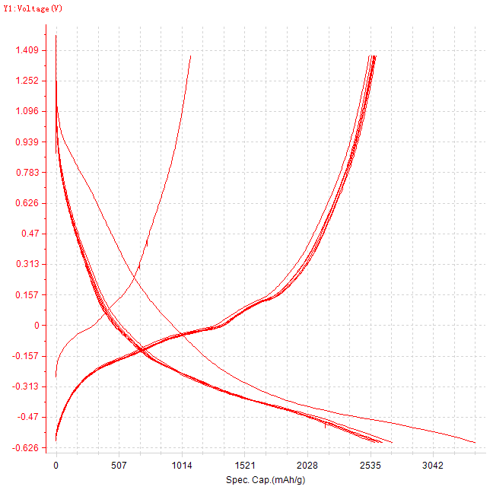
Time-Current&&Voltage&&Capacity&&Energy
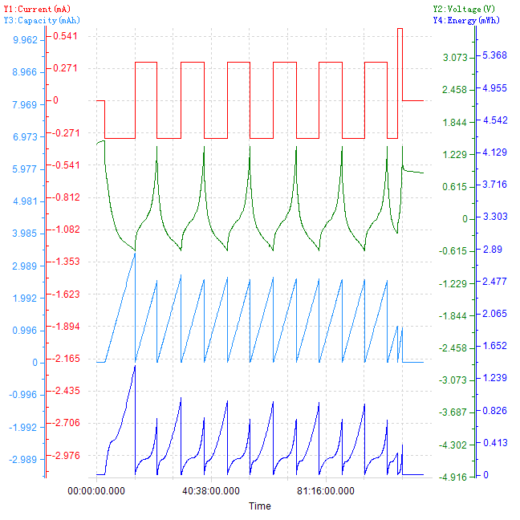

Spec. Cap.-Voltage

